Sheet1
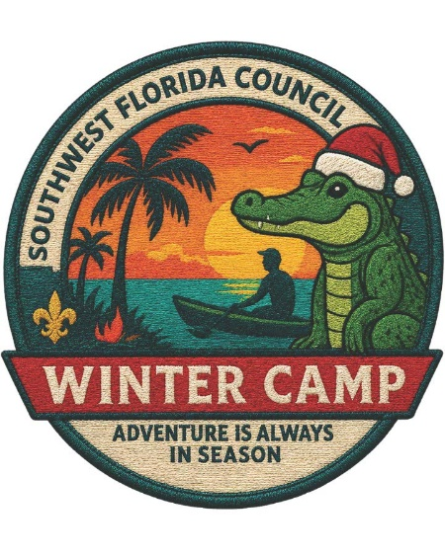
2026 Winter Camp Advancement Period Schedule
Merit Badge / Award | Capacity/Period | 9:00 - 10:00A | 10:15 - 11:15A | 1:00 - 2:00P | 2:15 - 3:15P
Range and Target Activities
Archery MB | 12 | X (Double Period) |  | X (Double Period)
Rifle Shooting MB ($15) | 10 | X (Double Period) |  | X (Double Period)
Shotgun Shooting MB* ($25) | 8 | X (Double Period) |  | X (Double Period)
Outdoor Skills
Camping MB | 16 | X |  | X | X
Cooking MB ($10) | 8 | X (Double Period) |  | X (Double Period)
Geocaching MB | 16 |  | X |  | X
Public Health MB | 12 |  | X
Wilderness Survival MB | 16 | X (Double Period)
First Year Camper** | 20 | ----- ALL DAY -----
Second Year Camper** | 20 | X (Double Period) |  | X (Double Period)
Handicraft
Textiles MB (NEW in 2026) | 16 |  |  | X (Double Period)
Pottery MB (NEW in 2026) ($5) | 12 | X (Double Period)
Sewing & Needlework (NEW in 2026) | 10 | X | X
Wood Carving (NEW in 2026) ($10) | 8 | X |  | X
Scouting Heritage (NEW in 2026) | 12 | X |  | X
Sign, Signals & Codes (NEW in 2026) | 12 |  | X |  | X
Photography MB | 12 |  | X |  | X
Leatherwork MB ($15) | 16 |  | X |  | X
COPE & Climbing
Climbing MB | 12 | X (Double Period) |  | X (Double Period)
Aquatics
Canoeing MB | 12 | X |  |  | X
Kayaking MB | 12 |  | X | X
Rowing MB (NEW in 2026) | 8 | X (Double Period) |  | X (Double Period)
Swimming MB | 16 |  |  | X | X
Ecology / STEM
Space Exploration MB (NEW in 2026) ($15) | 12 | X |  | x
Astronomy MB (NEW in 2026) | 16 |  | X
Environmental Science MB | 16 |  |  | X
Nature MB | 16 |  |  |  | X
Oceanography MB | 16 | X
Robotics MB* ($5) | 12 |  | X |  | X
Soil & Water Conservation MB | 16 | X
Weather MB | 16 |  | X
Vocational
Animal Science MB | 12 | X |  |  | X
Automotive Maintenance | 12 | X |  | X
Fishing MB ($5) | 10 | X
Radio | 12 |  |  | X
Emergency Preparedness MB | 16 |  |  | X
First Aid MB | 8 | X |  |  | X
Farm Mechanics (NEW in 2026) | 12 |  | X | X
Metalwork MB ($10) | 4 | X (Double Period) |  | X (Double Period)
Salesmanship / Entrpreneurship MB | 12 | X
Speciality Programs (NEW in 2026)
Renegade Program ($150) | 12 | ------------------- ALL DAY ----------------
Complete Angler Program ($25) | 10 | Periods 1 - 3 (plus non-class hours)
* Participant must be 13 years old or older
** Second year camper program participants must choose the morning or afternoon double period. Participants may then choose up to two merit badges for the remaining two periods.

